1. Title Page
[IC Grocery Basket Analysis]

Project Name: Instacart Grocery Basket Analysis
Date:17.08.2021
Analyst Name: Marcel Kleinert

Contents:
Population Flow
Consistency checks
Wrangling steps
Column derivations
Visualizations
Recommendations

Citation:
“The Instacart Online Grocery Shopping Dataset 2017”, Accessed from https://www.instacart.com/datasets/grocery0-shopping-2017 on <17.08.2021>

2. Population Flow
 | Title page

Population flow

Exclusion flag
Condition: max_order < 5
Obervations to be removed: 7.989.982
Final total count of order_products_all:24.414.877

Orders_products_combined
Orders_products_merged
Orders_products_all

Total: 32404859
Total: 32434489
Total:
32404859

1.) The grey boxes in the first row of the population flow represent the original data sets as they were when you downloaded them. In the Total fields you need to add the count of the rows when you imported the data set into Jupyter.
2.) The second row of boxes (coloured) represents the data sets after you manipulated them, e.g., removed missing values and duplicates. In the Total fields you need to add the count of the rows after conducting these operations. This offers a visual overview of how the data flows throughout the data consistency checks.
3.) The third row, where also the arrows are coloured, represents the merges you performed between the datasets. In the Total fields you need to add the count of the rows in the merged datasets, so that you end up with the final dataset (in the red box). Keep in mind the final dataset should be without exclusions (based on the exclusion flag).

3. Consistency checks
 |  |  |  | Title page
Consistency checks

Dataset | Missing values | Missing values treatment | Duplicates
orders | days_since_prior_order = 206209 | none, since first orders can't have days_since_prior_order | none
products | 16 | removed from df | none
orders_products_prior | none |  | none
customers | none |  | none
customers | renamed surnam to surname

4. Wrangling steps
 |  |  |  | Title page
Wrangling steps

Columns dropped | Columns renamed | Columns' type changed | Comment/Reason
Unnamed: 0_x | orders_day_of_the_week to order_dow |  | order_dow is shorter
eval_set |  |  | Dropped columns were irrelevant/PII
First Name
Surname
Unnamed: 0_y
_merge

5. Column derivations
 |  |  |  | Title page

Column derivations and aggregations

In this tab you should add tables below that the frequences of flags/label variables that you produced after deriving them. NB: don't do this for continuous variables, only for flags.
Dataset | New column | Column/s it was derived from | Conditions
Orders-Products merged | price_range_loc | prices | Price <= $5 Low-range product /// $5-15 Mid-range product /// >$15 High-range product
Orders-Products merged | busiest/slowest days | order_dow | Saturday & Sunday = "Busiest days" Tuesday & Wednesday = "Slowest days" Rest = "Regular days"
Orders-Products merged | busiest_period_of_day | order_hour_of_day | 9-17 = "Most orders" 0-8 = "Fewest orders" 17-23 = "Average orders"
Orders-Products merged | max_order | user_id/ order_number | shows total amount of orders for each customer
Orders-Products merged | loyalty_flag | max_order | >40 orders is "Loyal customer" >10&<=40 is "Regular customer" <10 orders is "New customer"
Orders-Products merged | spending_flag | user_id/ prices | mean price of product purchased: < $10 is "Low spender" >= $10 is "High spender"
Orders-Products merged | freq_cust | user_id/ days_since_prior_order | median days since last order: <= 10 is "Frequent customer" 10-20 is "Regular customer" >20 is "Non-frequent customer"
Orders-Products All | Region | State | Created 4 geographical regions to separate customers.
Orders-Products All | Relevance | order_number | Excluded customers <5 orders.

6. Visualizations
 |  |  |  | Title page

Visualisations

In this tab you should include all the visualtions from Exercises 4.9 and 4.10, alongside the questions from the project brief that they answer. Include any commentary on the relationship between different variables.

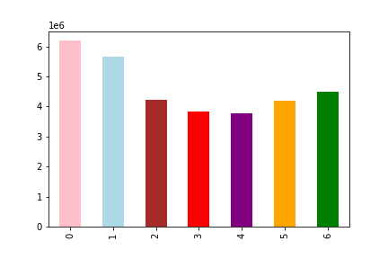

This graph shows the busiest days of the week based on the amount of orders received by InstaCart.
(Starting with Saturday = 0)



 | This histogram shows the frequency of product prices in Instacart's inventory.

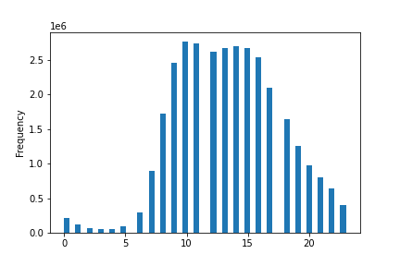

 | This hisogram shows frequency of orders per hour of the day.

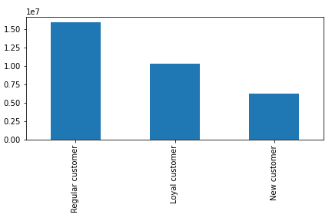

 |  | This shows the distribution of customers in relation to how many orders they did.



 | This shows the increasing income with higher age of the customers.

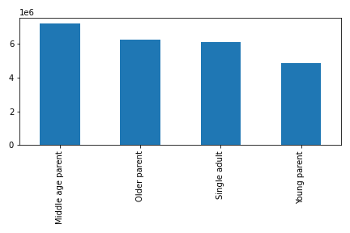
 |  | This shows the distribution of how old customer parents.

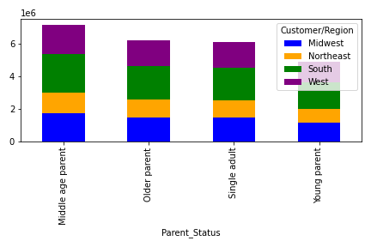

 |  | This shows the distribution of customers in different regions.

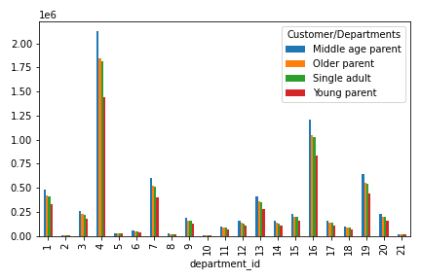
 |  | This shows the different product categories from which the customers order.
 |  | 1 | frozen
 |  | 2 | other
 |  | 3 | bakery
 |  | 4 | produce
 |  | 5 | alcohol
 |  | 6 | international
 |  | 7 | beverages
 |  | 8 | pets
 |  | 9 | dry goods pasta
 |  | 10 | bulk
 |  | 11 | personal care
 |  | 12 | meat seafood
 |  | 13 | pantry
 |  | 14 | breakfast
 |  | 15 | canned goods
 |  | 16 | dairy eggs
 |  | 17 | household
 |  | 18 | babies
 |  | 19 | snacks
 |  | 20 | deli
 |  | 21 | missing

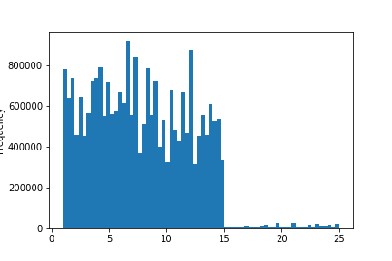

This histogram illustrates the frequency of product prices in Instacart's inventory.
Product pricing under the five dollar category is the most, then decreases in
the next five dollar range and takes another step down in the next five dollar range.
Product price falls heavy above $15

7. Recommendations
 |  | Title page

Recommendations

In this tab you should include any recommendations you would made to Instcart in terms of their marketing strategy based on the questions posed in the brief. Every key question has been covered in the Tasks of the Exercises - here you need to add an item - a visualisation or table/crosstable that is showing the answer in the data, acompanied by a comment from you. Please, list the questions below and add the answer underneath.

What are the busiest days of the week and hours of the day?

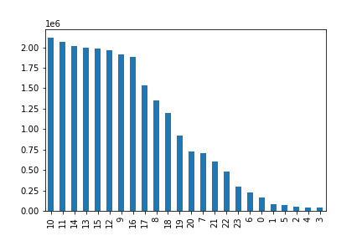

Busiest days are Saturday/Sunday (0/1)
Busiest hours of the day are 10/11 am
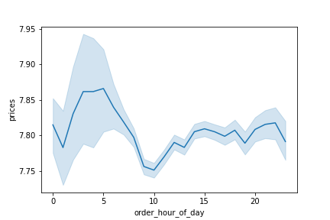
Are there particular times of the day when people spend the most money?

Most money is spent around 5 am.

Simpler price range groupings?

 | For simpler price range groupings, prices in the gaps should be adapted to either side.
 | This happens in the 8,10,13 Dollar segments.

Types of products that are more popular than others?

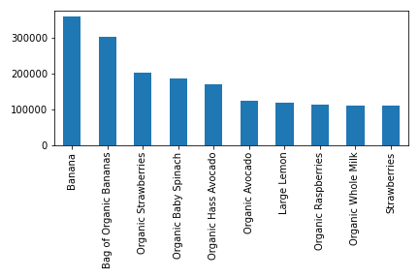

 | This shows the top 10 products people love.

What’s the distribution among users in regards to their brand loyalty (i.e., how
often do they return to Instacart)?

If the maximum orders the user has made is over 40 = “Loyal customer”
If the maximum orders the user has made is over 10 but less than or equal to 40 = “Regular customer”
If the maximum orders the user has made is less than or equal to 10 = “New customer”

Are there differences in ordering habits based on a customer’s loyalty status?

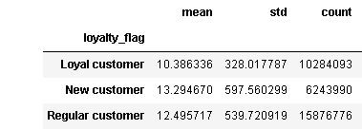

The average spending of Loyal customers is a bit lower than those from the other customers, but more persistent.
New customers spent the most on average even when their count is much smaller.

Recommendations:
1. Saturday/Sunday at 10/11am are the best days/times. Those should be targeted/maximized.
2. Most money is spent around 5 am on average. Specific ads tailored to this time and
3. Move the 8$ to 9$, the 10$ to 9$ and the 13$ to 14$ segment
4. People love Bananas and Strawberries already. If you want to raise the lower 5 of the top 10,
advertise some recipes for milk-based smoothies with Lemon, Organic Raspberries, Strawberries.
5. Brand loyalty can be improved by targeting the Regular customers and New customers
with specific discounts/promotions/cashback/benefit system.

